17-20.HACCP,Artwork&SpecAuthor.
17.Process Flow Chart- (showing all CCPs)
Please provide in the form a Critical Control Point (CCP), a description of the process/packing operations including processing times tempuratures where applicable and in process Safery Control Checks (CCP Summary) and Quality Checks.
选料-->配料-->和面-->熟化-->压延-->切条-->烘干▲CCP1-->切断-->包装-->产品检验-->入库 Material selection-->Ingredients-->Dough kneading-->Maturation-->Calendering-->Slicing-->Drying ▲CCP1--> Cutting-->Packaging-->Product inspection-->Storage
18.Critical Control Points
CCP | Control Measure |  | Critical Limit | Monitoring Frequency
CCP1 | drying, control temperature and humidity. |  | 12% | 2 hours
CCP2 | metal detection |  | Fe ∮≥1.50mm | every 1 hours during production
19.Artwork
Inner Label / Package Design artwork |  | Outer Label / Package Design artwork
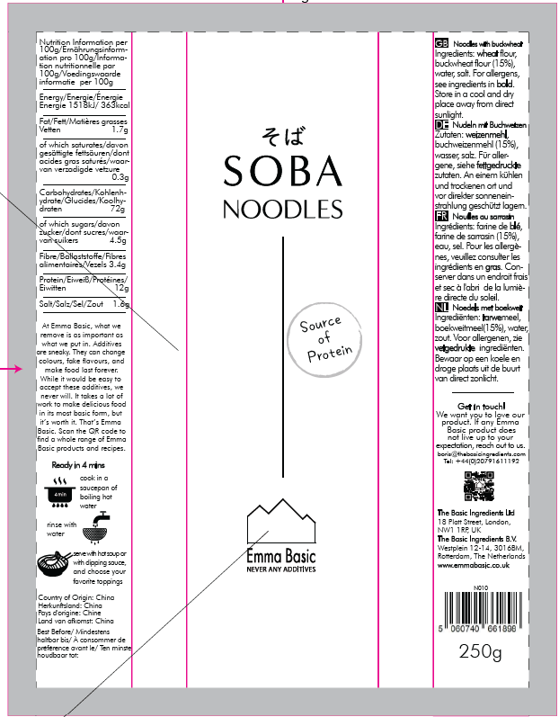 |  | 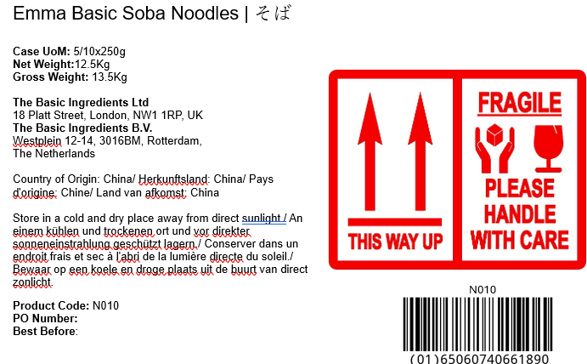

20.Packaging Photos
Finished Product with Primary package | Outer Case (Secondary) |  | Tertiary
 | 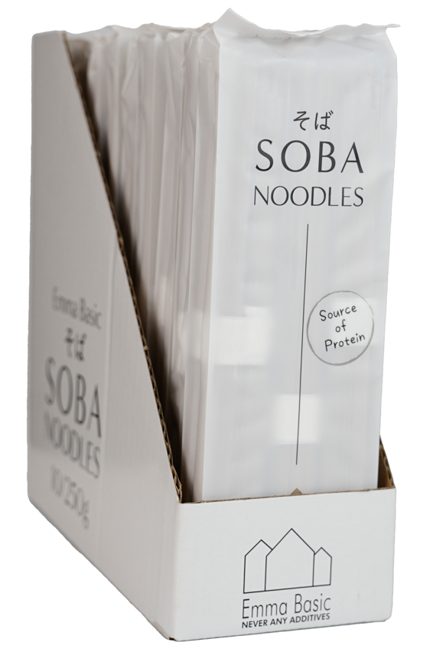 |  | 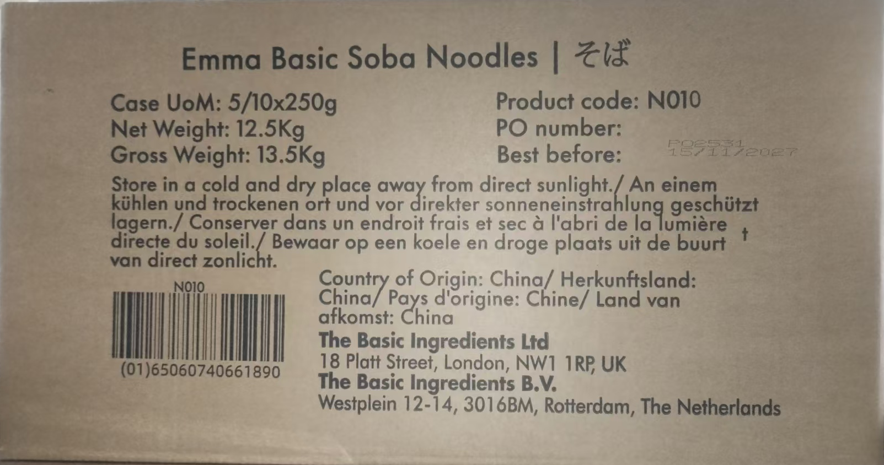
Specification Authorization
1.Product to be supplied in accordance with this agreed specification. No changes are to be made without prior knowledge and prior written agreement of The Basic Ingredients Ltd. 2.The contents of this specification are confidential and should not be disclosed to a third party without a written approval of The Basic Ingredients Ltd. 3. Product must be fit for purpose of the nature and substance stated in this specification and free from foreign body. 4. The raw materials used in this product fulfil the requirements described in the Regulation 1881/2006/EC related to contaminants in foodstuffs, the Regulation 396/2005/EC related to pesticides in foodstuffs, and their amendments. 5. The product has not been treated with ionising radiation and does not contain any irradiated ingredients- Regulated under Directive 1999/2/EC and Directive 1999/3/EC. 6. This product does not contain ingredients that contain GMO or consist of GMO or were produced from GMO - Regulated under Regulation (EC) No 1829/2003, Regulation (EC) No 1830/2003, and their amendments. 7. Products to be delivered using suitable transport in the stated conditions (i.e. ambient, chilled, frozen). 8. The information on this specification can be used without reservation to advise customers with food allergies, intolerances or aversions, especially those who may die from an anaphylactic reaction to traces of ingredients. 9. All materials intended to come into contact with foods complies with European regulations: Regulation (EC) No. 1935/2004, Regulation (EC) No. 2023/2006, Regulation (EU) No. 10/2011, Directives 82/711/EEC, 85/572/EEC, 2002/72/EEC (and the relevant amendments).
Manufacturer Name | Yinniu Flour Co., Ltd.
Signature
Print Name | Li Tao
Position in Company | Export Manager
Date | Feb 10,2026

For and on behalf of The Basic Ingredients Ltd:
Signature | Nancy Deng
Print Name | Nancy Deng
Position in Company | Technical Account Manager
Date | 2026-02-18

For and on behalf of Customer:
Signature
Print Name
Position in Company
Date

Unique Selling Propostion
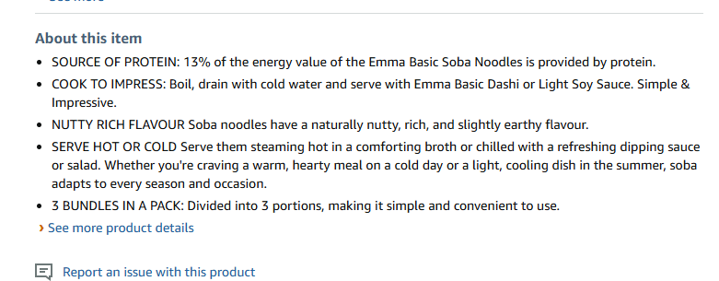
Title (Brand name +Product name+ Minimum 3 selling pints) | Emma Basic - Soba Noodles 250g | source of protein | Vegan
5 Selling Points ( must be 5, don’t list the product, if we don’t have 5 points)
1 | SOURCE OF PROTEIN: 13% of the energy value of the Emma Basic Soba Noodles is provided by protein.
2 | COOK TO IMPRESS: Boil, drain with cold water and serve with Emma Basic Dashi or Light Soy Sauce. Simple & Impressive.
3 | NUTTY RICH FLAVOUR Soba noodles have a naturally nutty, rich, and slightly earthy flavour.
4 | SERVE HOT OR COLD Serve them steaming hot in a comforting broth or chilled with a refreshing dipping sauce or salad. Whether you're craving a warm, hearty meal on a cold day or a light, cooling dish in the summer, soba adapts to every season and occasion.
5 | 3 BUNDLES IN A PACK: Divided into 3 portions, making it simple and convenient to use.
Attention :Don’t foreget to upload Ingredient list, Nutrion Table, Storage Instruction , Usage Instrucion .

